Sheet1
I/O CABLE
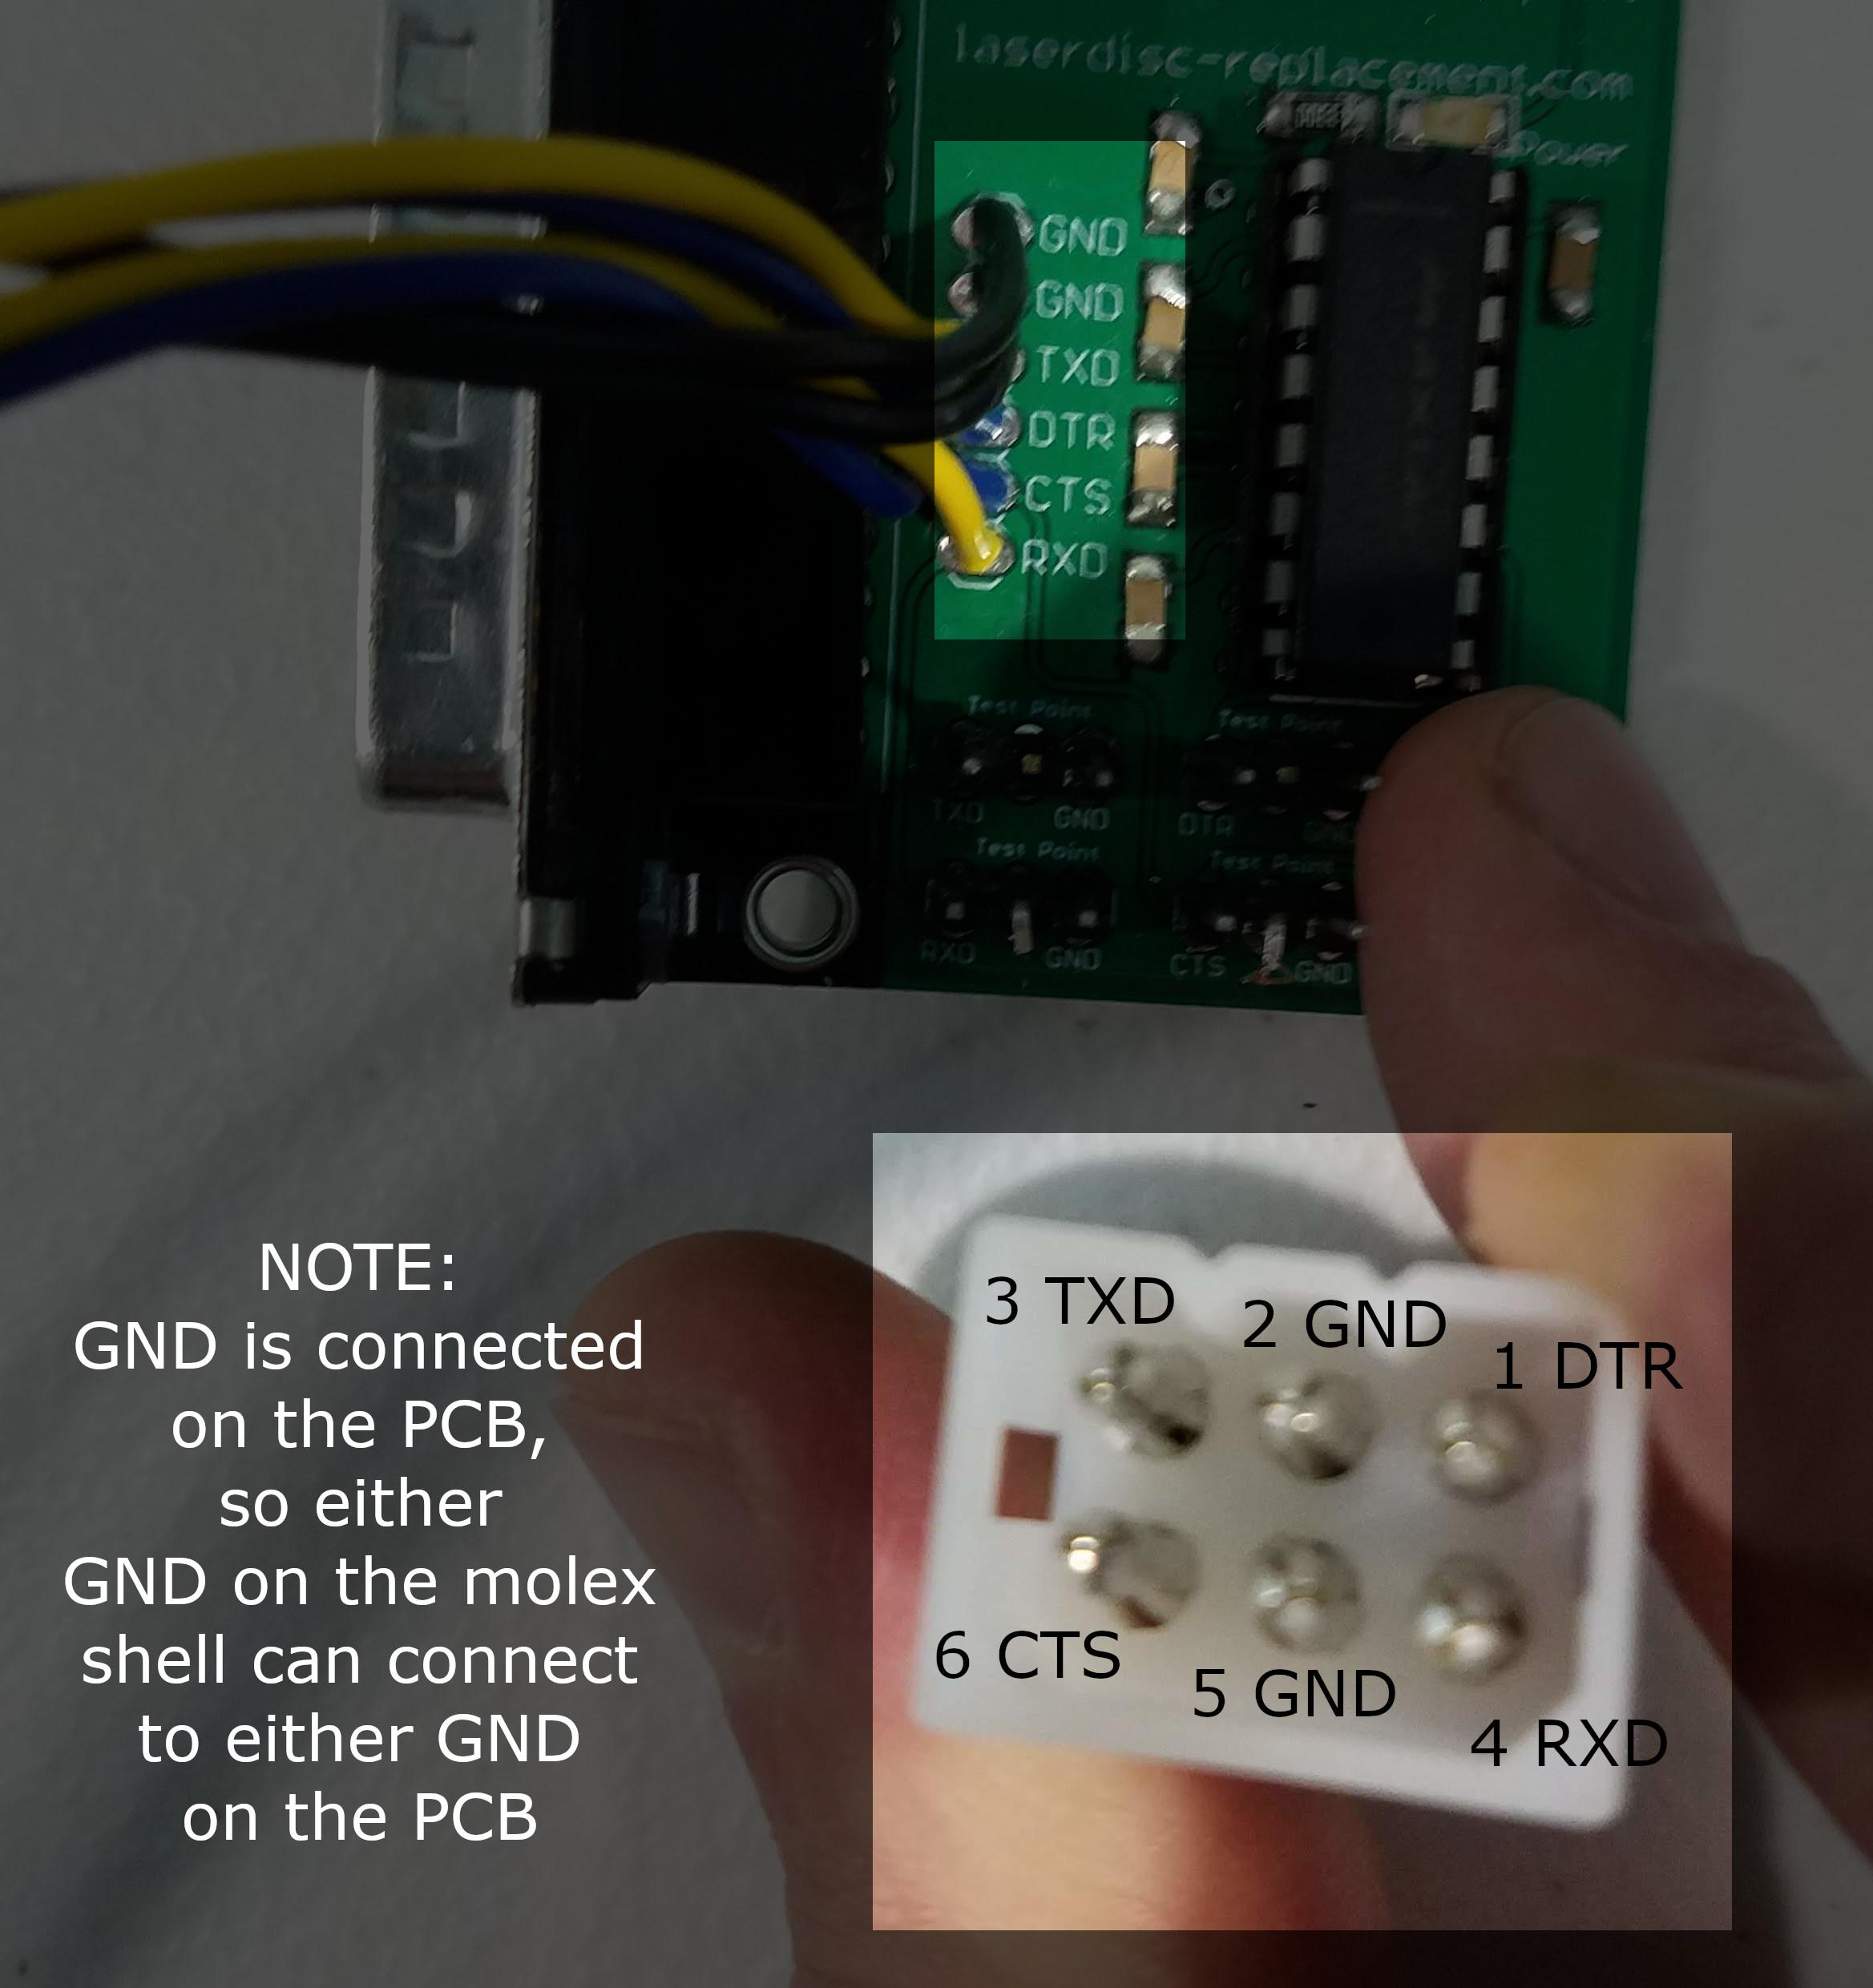
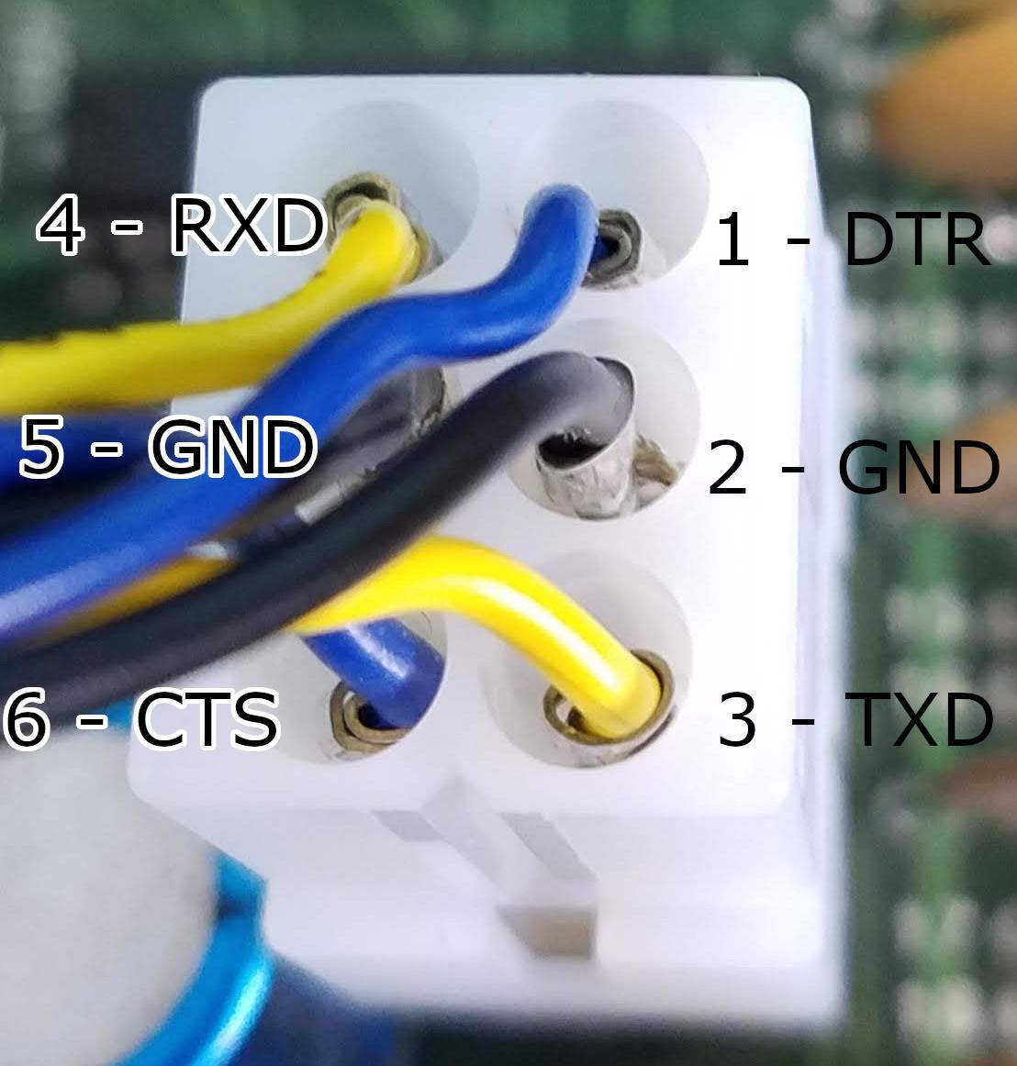
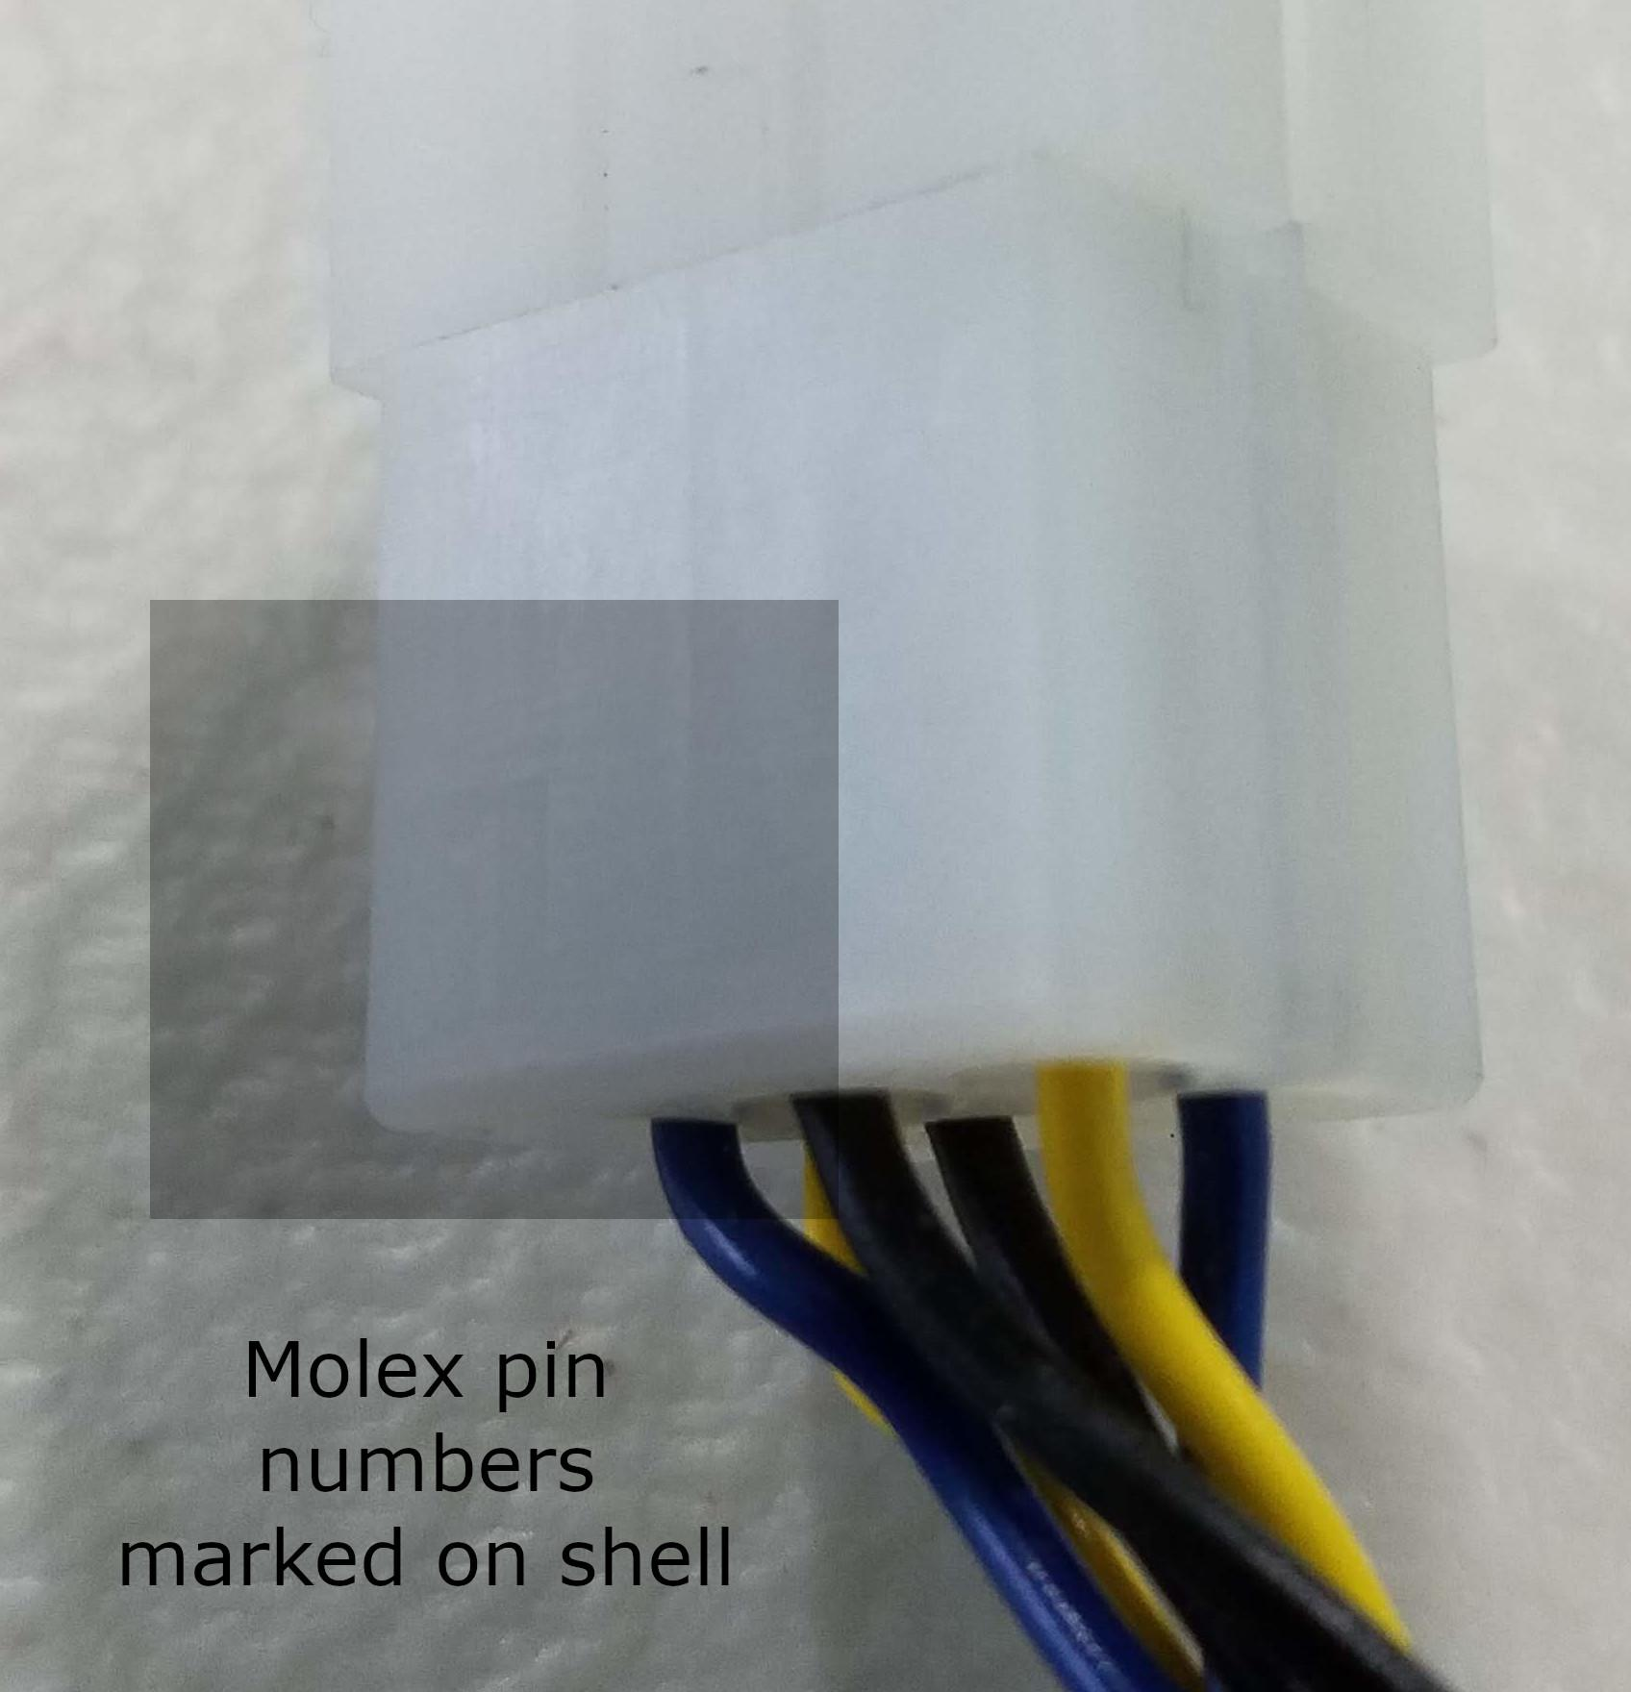
Length | 1 meter
Wire | 22AWG (recommended)

Molex Pin Number | PCB solder connection
1 | DTR
2 | GND
3 | TXD
4 | RXD
5 | GND
6 | CTS
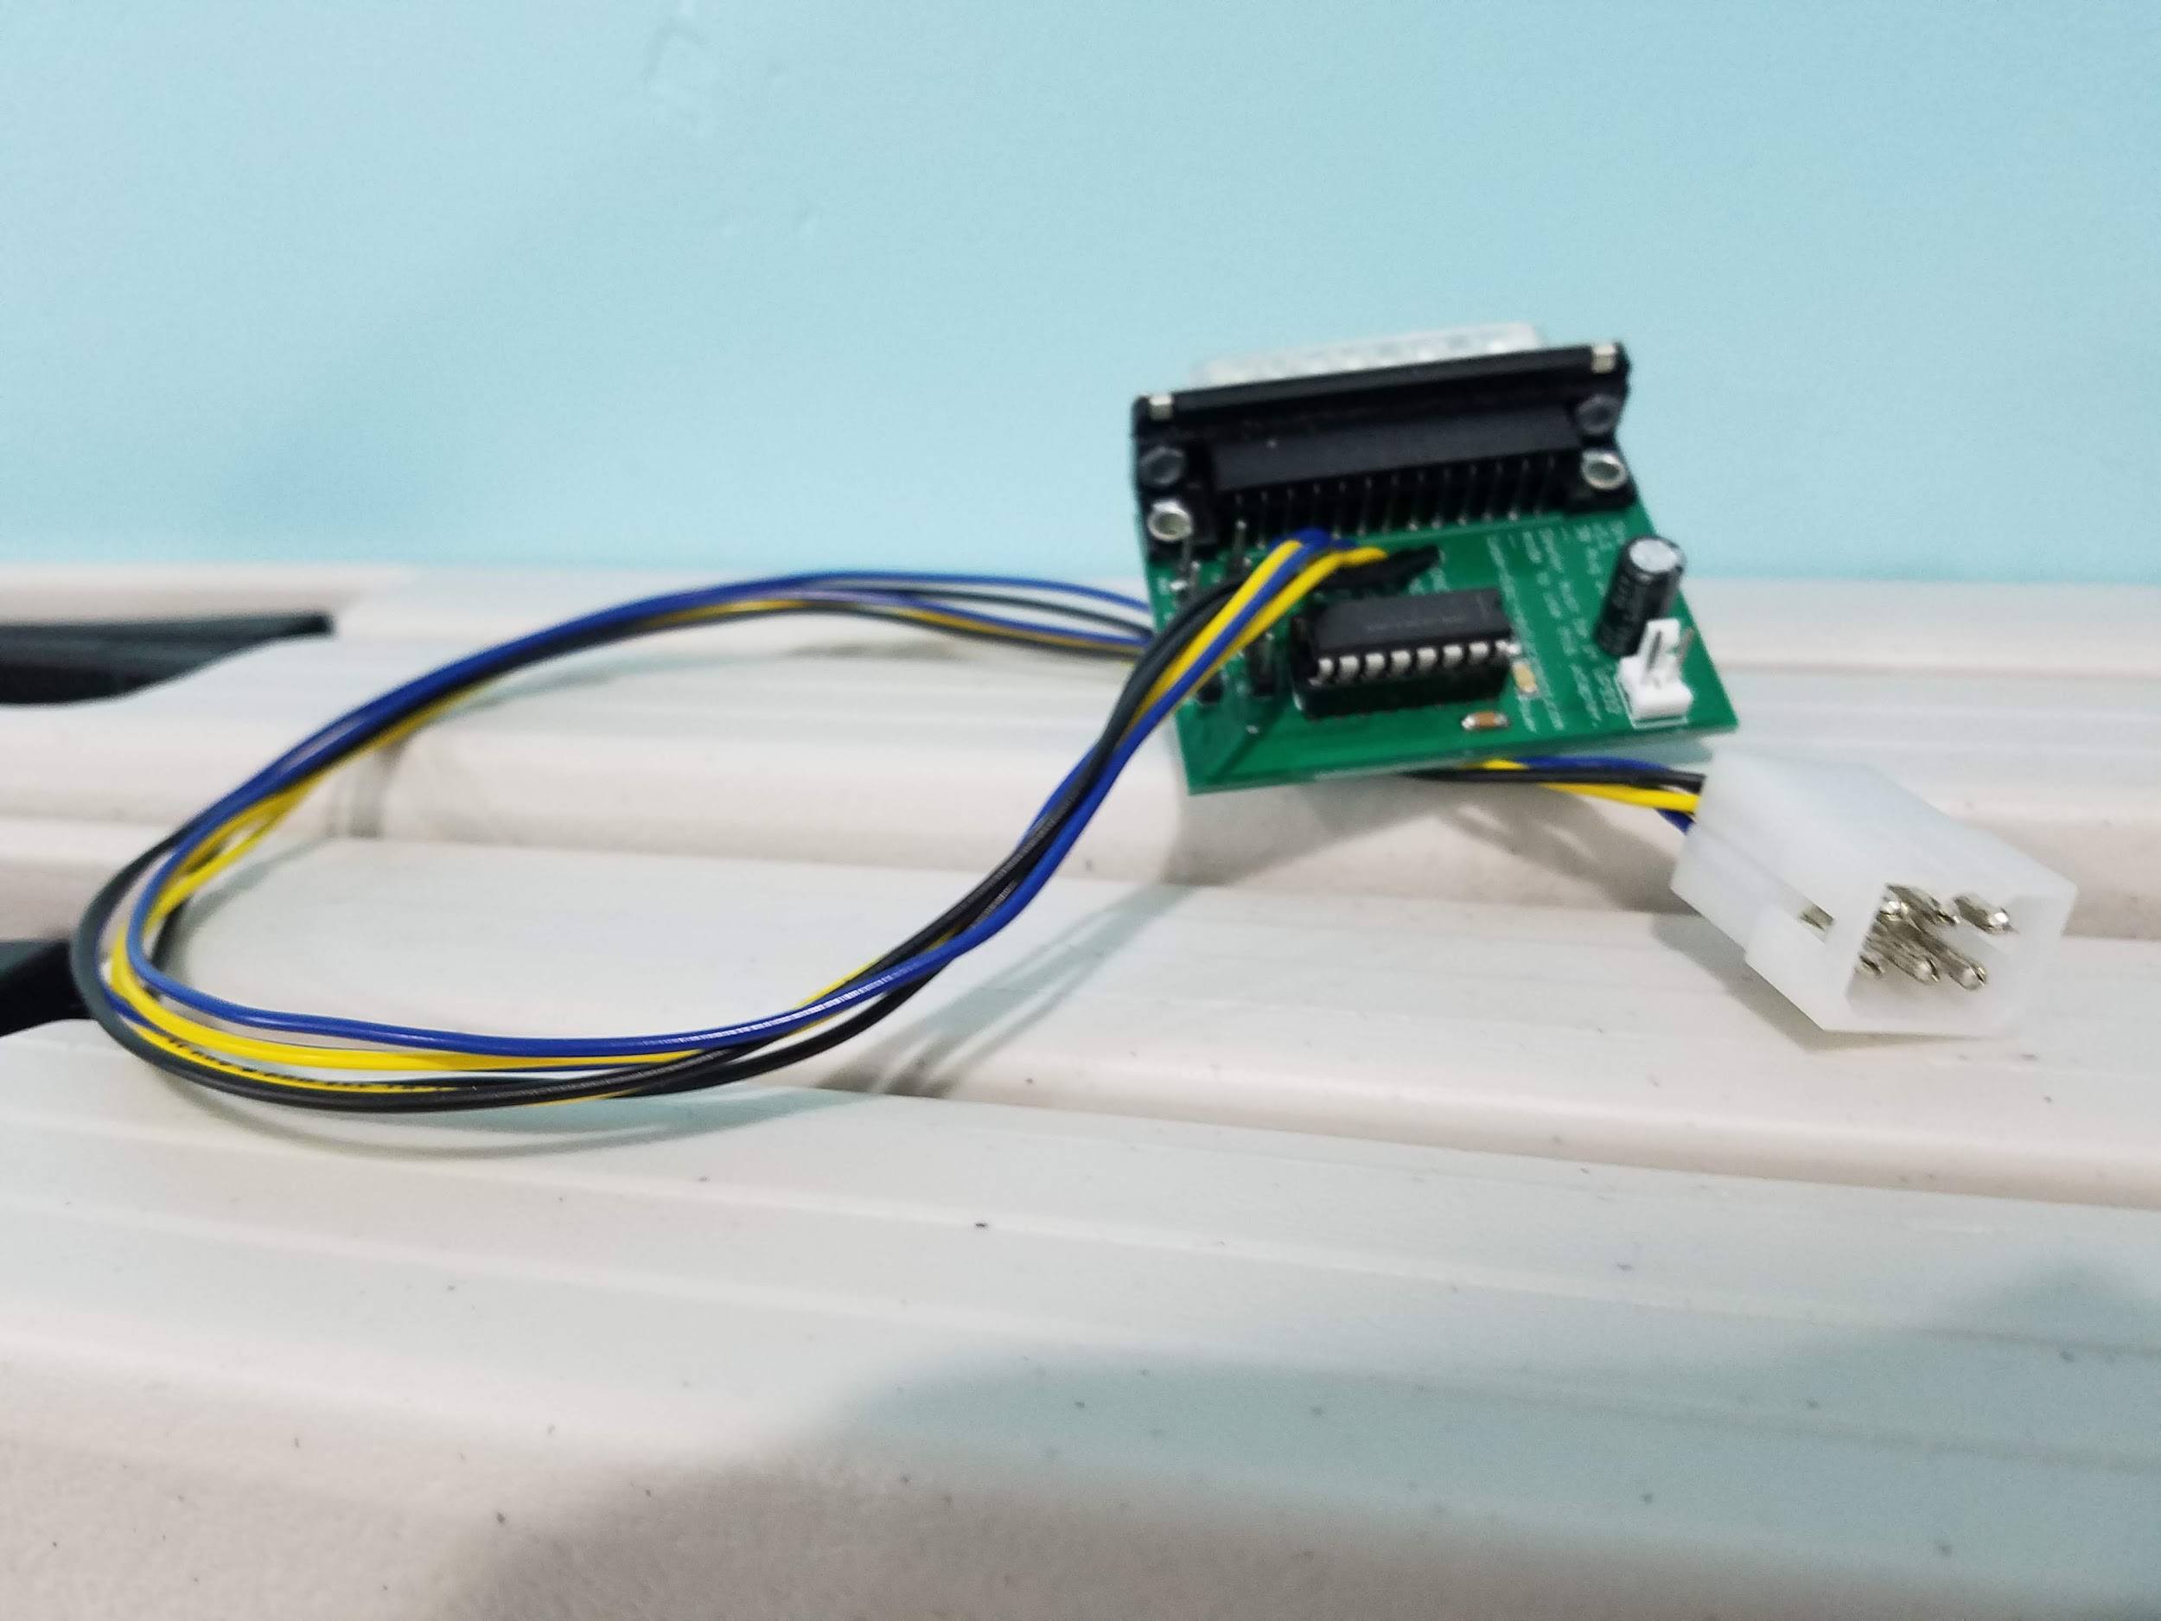
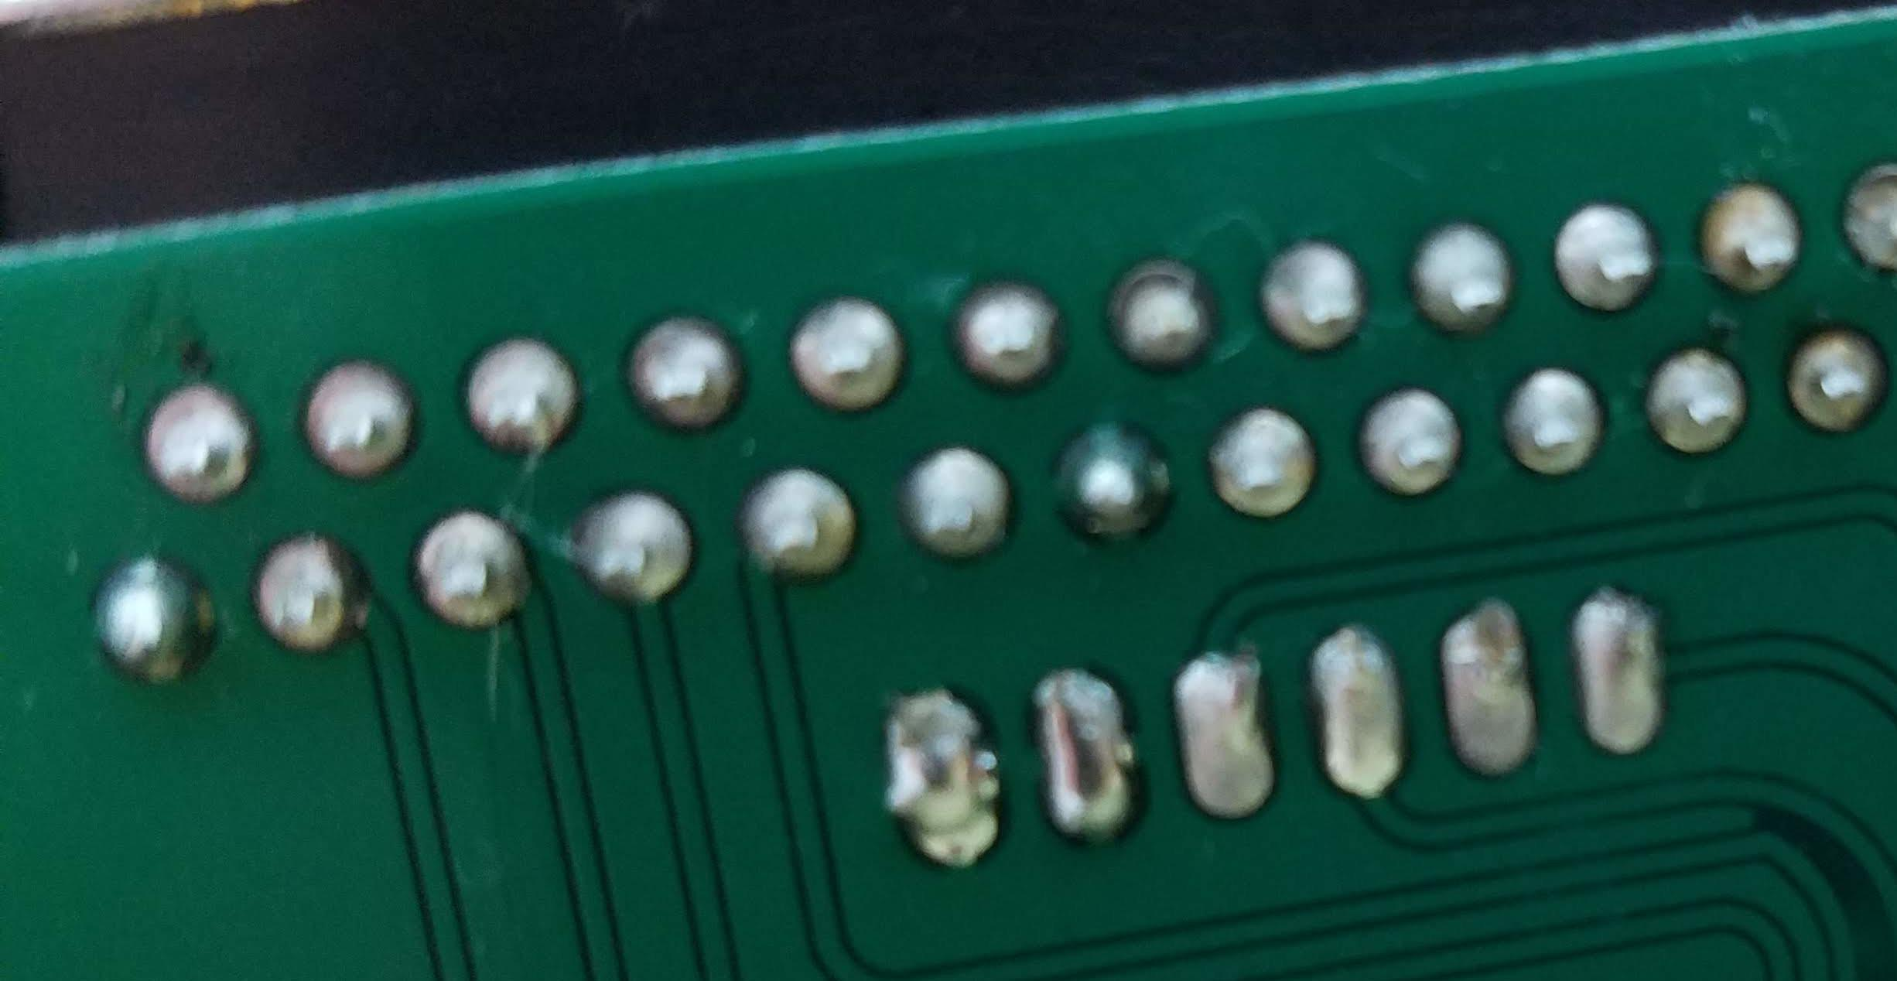

POWER CABLE
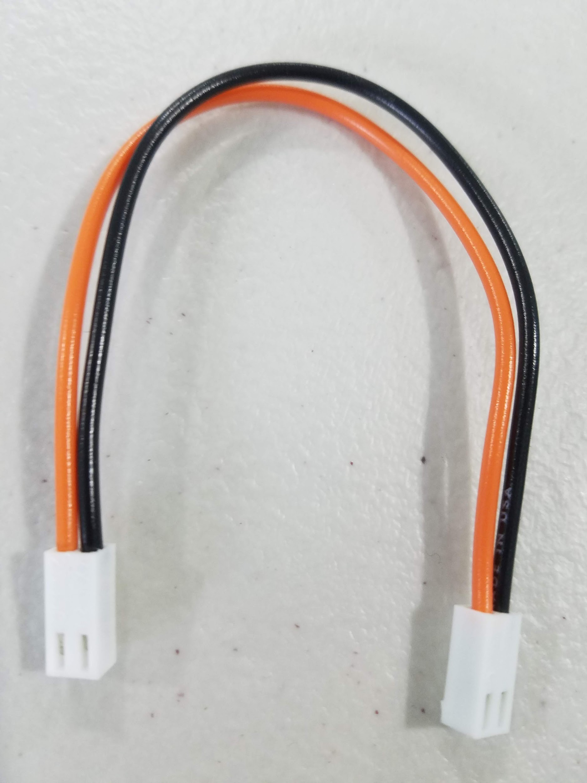
Length | 15 centimeters (minimum!)
Wire | 24 AWG, 1.57mm max diameter insulation ( example is DigiKey CN482R-25-ND )

